1. Title Page
- Data Exploration & Analysis

Project Name: A descriptive Analysis of Instacard Data
Date: 09/06/2023
Analyst Name: Barend Bester

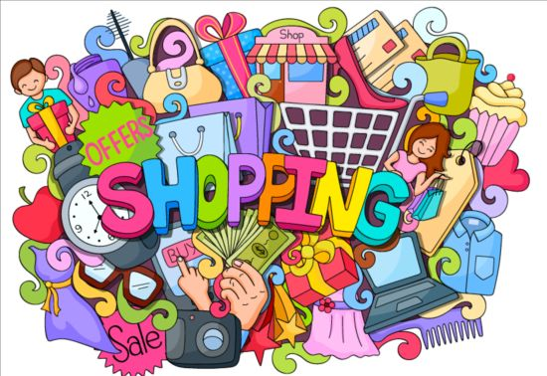

Contents:
Population Flow
Consistency checks
Wrangling steps
Column derivations | source: see citations
Visualizations
Recommendations

2. Population Flow
 |  | Title page

Population flow

Exclusion flag
Condition: max_order <
Obervations to be removed:
Final total count of order_products_all: 32404859

Orders_products_combined
Orders_products_merged
Orders_products_all named simply df

Total:
Total: 32424489/13
Total:
32404859/25 | 32404859/34

1.) The grey boxes in the first row of the population flow represent the original data sets as they were when you downloaded them. In the Total fields you need to add the count of the rows when you imported the data set into Jupyter.
2.) The second row of boxes (coloured) represents the data sets after you manipulated them, e.g., removed missing values and duplicates. In the Total fields you need to add the count of the rows after conducting these operations. This offers a visual oveview of how the data flows throughout the data consistency checks.
3.) The third row, where also the arrows are coloured, represents the merges you performed between the datasets. In the Total fields you need to add the count of the rows in the merged datasets, so that you end up with the final dataset (in the red box). Keep in mind the final dataset should be without exclusions (based on the exclusion flag).

3. Consistency checks
 |  |  |  |  | Title page
Consistency checks

Dataset | Missing values | Missing values treatment | Duplicates | Crosstabs
orders | days_since_prior_order = 206209 | Keep as these values are new customers | None | None
products | product_name | dropped missing products 16 missing | dropped duplicates | None
orders_products_prior | None | None | None | None
customers | None | None | None | None
Departments | None | None | None | None
instacard_basket_merged | None | None | None | Yes - multple days since prior order, region and spender type

4. Wrangling steps
 |  |  |  |  | Title page
Wrangling steps

Columns dropped | Columns renamed | Columns' type changed | Security conncerns | Comment/Reason
eval_set | order_dow | order_id | first_name | No need for eval_set column , order dow was bad name, customer safety names removed
Unnamed 0.1 | user_id | user_id | last_name | No need to analye user id as data key, just for test, remaned back and changed to integer for joins
Unnamed 0 | user_id | customer_frequency |  | Unnamed columns a result of merge datasets dropped,
first_name | First Name |  |  | renamed for consistency
last_name | Surnam |  |  | renamed for consistency
Unnamed: 0_y | Gender |  |  | customer_frequency mixed data type
_merge | Age |  |  | Unnamed: dropped several columns created from merge
 |  |  |  | _merge dropped several created as flag to see if merge was succesfull

5. Column derivations
 |  |  |  | Title page

Column derivations and aggregations

In this tab you should add tables below that the frequences of flags/label variables that you produced after deriving them. NB: don't do this for continuous variables, only for flags.
Dataset | New column | Column/s it was derived from | Conditions
orders | new_customer | days_since_prior_order | To identify new customers
ords_prods_merged | price_range | prices | create a new price range to catogorize prices
ords_prods_merged | busiest_day | orders_day_of_week | To see which singl day is busiest least busy
ords_prods_merged | busiest_days | orders_day_of_week | Check busiest days of the week
ords_prods_merged | busiest_period_of_day | order_hour_of_day | Check busiest periods of the day
ords_prods_merge | max_order | user_id & order_number | Placeholder for loyalty flag
ords_prods_merge | loyalty_flag | max_order | Created to determine loyalty flag of customer
ords_prods_merge | avg_spend | user_id & prices | Create avg spend flag
ords_prods_merge | spender_type | avg_spend | Create a spending flag -customer high or low spender
ords_prods_merge | median_orders | user_id & days_since_prior_order | Create a frequency flag to see how much customer order
ords_prods_merge | customer_frequency | median_orders | Determine if customers are buying or not
df (final dataset) | Region | STATE | Create new flag region
df_high | Activity flag | order_number | Create new dataset without orders less than 5
df (final dataset) | Profiling | n_dependants, age, income, department_id | Create new Profiling variable for parents

6. Visualizations
 |  |  |  |  | Title page

Visualisations

We have several visualisations for spending habits and the average spend

 | The Brand loyalty of customers |  |  | Number of orders between Regions

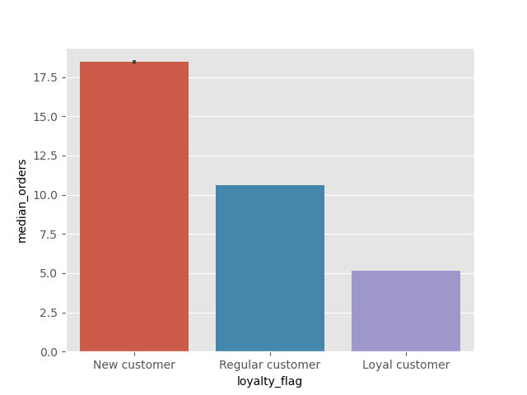
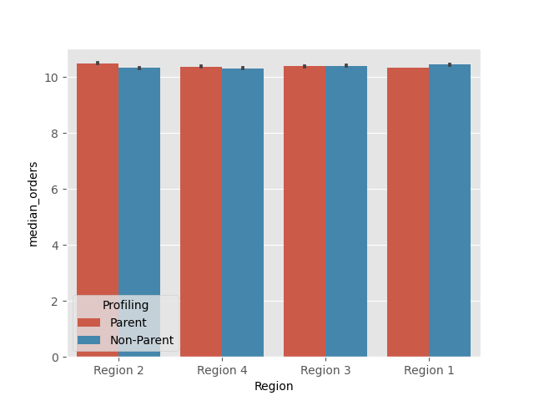

 | New customers order more. |  |  | Just slight difference between regions

 | Spending habits of Parents vs Young Adults |  | Spending habits between Departments
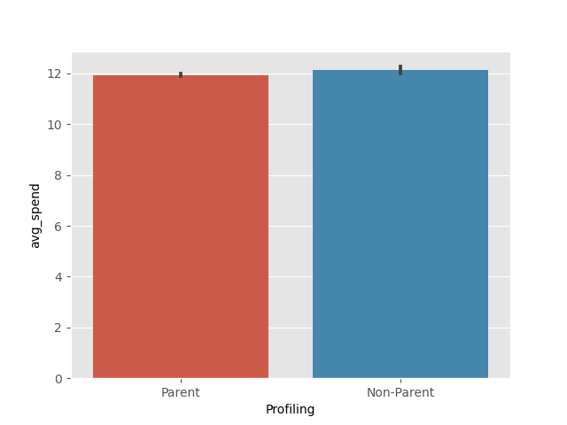
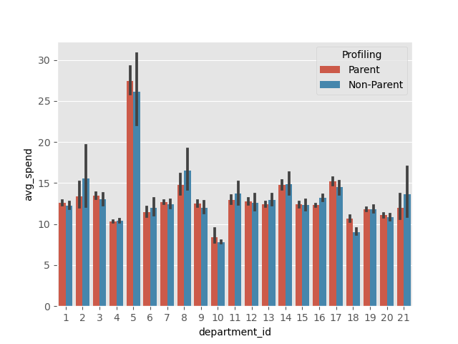
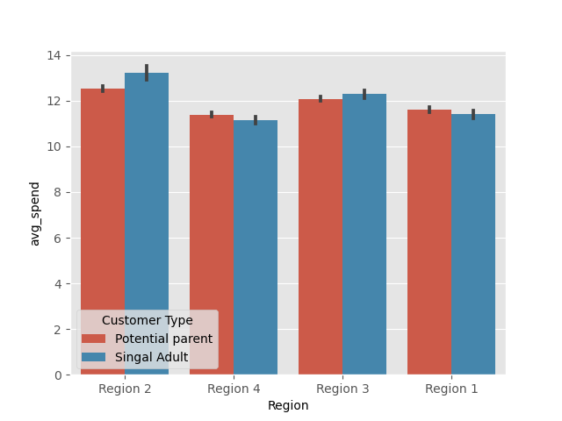

 |  | Different spending habits |  | For different departments spending habits |  | For different profiles spending habits between regions

 | Spending habits between regions

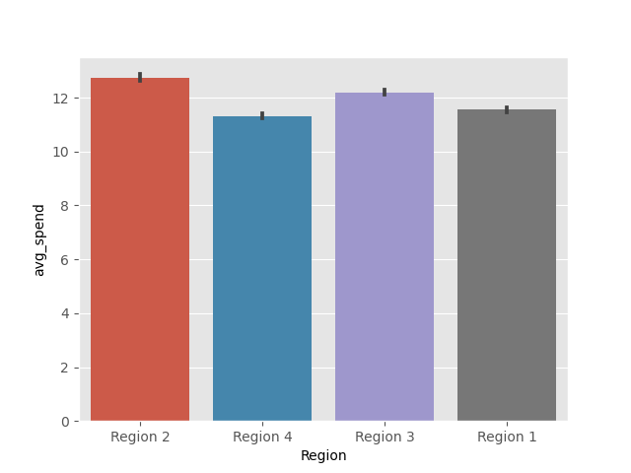

No clear region with significantly more orders

7. Recommendations
 |  |  | Title page
Recommendations

Questions | Answer
1. What’s the distribution among users in regards to their brand loyalty (i.e., how often do they return to Instacart)? | Regular customers return approximatly every 12 days, while loyal customers return approxiamtly every week
2. Are there differences in ordering habits based on a customer’s loyalty status? | Yes, loyal customers order the least amount of products and new customers the most.
3. Are there differences in ordering habits based on a customer’s region? | No, seems that each region spend approximatly the same average.
4. Is there a connection between age and family status in terms of ordering habits? | Yes age/family status is important, parents order less, and spend less. | Answer
5. What different classifications does the demographic information suggest? Age? Income? Certain types of goods? Family status? | There are more non-parents in regions 2 and 3, region 4 and 1 have more potential parents. Potential parents spend more money on average. The departments they buy from are baby and household.
6. What differences can you find in ordering habits of different customer profiles? Consider the price of orders, the frequency of orders, the products customers are ordering, and anything else you can think of. | Alcohol is the highest selling department. We can expect household and baby produce to be more expensive. Parents don’t buy regularly, but they do not buy expensive produce, making them better customers.

Marketing plan:
1. Give parents specials for household and baby products.
2. Target regular customers with free delivery other benefits.
3. Target high spenders with specials on the produce they are buying for every extra order to get them to order more...
4. Investigate more into sex/age columns create more flags -
granparents get specials?

